Sheet1
사진 | 이름 | 분류 | 링크 | 유튜브
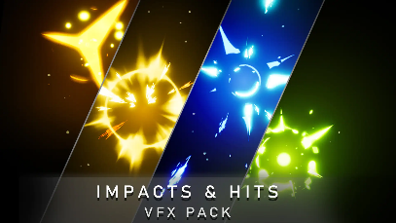 | 150 Impacts and Hits VFX Pack | hits | https://marketplace-website-node-launcher-prod.ol.epicgames.com/ue/marketplace/ko/product/7d0a3419aee744daa56b6ae63b36f8db | https://youtu.be/CpPsKw0oNJw | 패링, 방어 이펙트
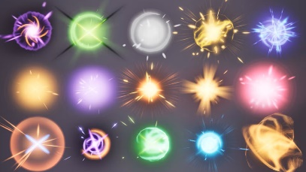 | Hits and Impacts Vol. 1 - Niagara | hits | https://marketplace-website-node-launcher-prod.ol.epicgames.com/ue/marketplace/ko/product/1226f399c71445eca6150fe0ea37d25e | https://www.youtube.com/watch?v=tCNO7XYSv50 | 패링, 방어 이펙트
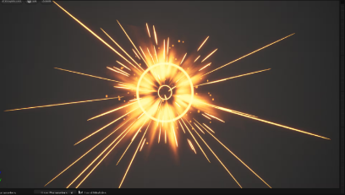 | NiagaraVFX_Pack65 | hits | https://marketplace-website-node-launcher-prod.ol.epicgames.com/ue/marketplace/ko/product/93f58d7c584743aa966df50553c7f8ee | https://youtu.be/sRO6SA6pGwY | 패링, 방어 이펙트
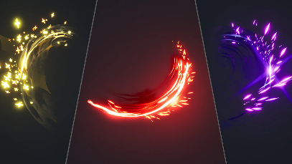 | 280 Sword Slashes VFX Pack Vol. 1 | Slashes | https://marketplace-website-node-launcher-prod.ol.epicgames.com/ue/marketplace/ko/product/8d06b305755d46a89bb0306b8d0a9e15 | https://www.youtube.com/watch?v=yhPaHbS7ocA | 캐릭터 및 보스 슬레시
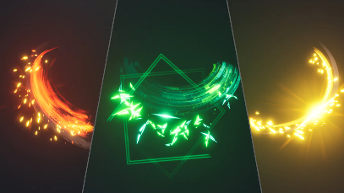 | 280 Sword Slashes VFX Pack Vol. 2 | Slashes | https://marketplace-website-node-launcher-prod.ol.epicgames.com/ue/marketplace/ko/product/9f32e8d596894821a2ba584f65553cf0 | https://www.youtube.com/watch?v=XEgFRYKLvEE | 캐릭터 및 보스 슬레시
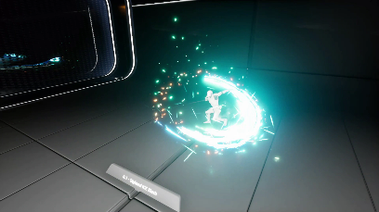 | Advanced Niagara Slash and Trail VFX | Slashes | https://marketplace-website-node-launcher-prod.ol.epicgames.com/ue/marketplace/ko/product/bffd610c8b9042f48fd4f9a08be719e7 | https://www.youtube.com/watch?v=ob8t2YGNd1c | 캐릭터 및 보스 슬레시
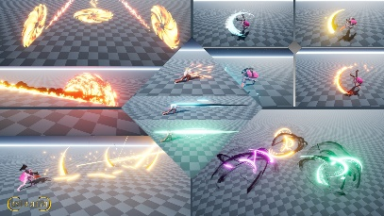 | Niagara Magical Slashes | Slashes | https://marketplace-website-node-launcher-prod.ol.epicgames.com/ue/marketplace/ko/product/c922db7b7cd546b49881f0a40660ee36 | https://www.youtube.com/watch?v=QBgb61SbXpo | 보스에 사용하기 좋아보임
 | NiagaraStylizedFX_04 | Stylized | https://marketplace-website-node-launcher-prod.ol.epicgames.com/ue/marketplace/ko/product/e1bc8ad205ec40339521502ce35488e1 | https://youtu.be/tVB3YFQ9zJ4 | 레벨 꾸미기용 + 바닥 이펙트
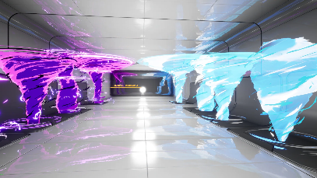 | Awesome Niagara Tornado VFX Pack! | Tornado | https://marketplace-website-node-launcher-prod.ol.epicgames.com/ue/marketplace/ko/product/a09dbce9b07e46579134ad138f3fbeb9 | https://www.youtube.com/watch?v=ISX9Lvgiqrc | 보스 패턴
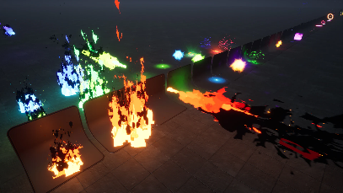 | Niagara VFX01 include fire, Projectile, water, portal butterfly and more effect | 기타 | https://marketplace-website-node-launcher-prod.ol.epicgames.com/ue/marketplace/ko/product/391c662fdcb74c55b61aabcffbe544ad | https://youtu.be/4xQk3jYWyig | 불꽃과 히트 몇 개가 좋음 레벨 꾸미기에 좋아보임
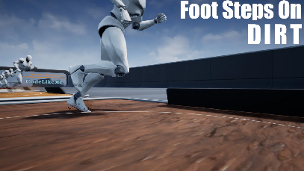 | Niagara Foot Step Effect | foot step | https://marketplace-website-node-launcher-prod.ol.epicgames.com/ue/marketplace/ko/product/c89e845104224fc4a2b16e0faeefd242 | https://www.youtube.com/watch?v=oGaU7-FMKdQ | 사운드 포함
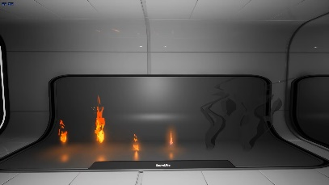 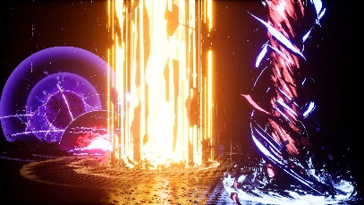 | Niagara BigVFX Pack | big effects | https://marketplace-website-node-launcher-prod.ol.epicgames.com/ue/marketplace/ko/product/niagara-bigvfx-pack | https://www.youtube.com/watch?v=3zeDVzv3DgE | 보스 기믹 패턴용 기믹이 상정 하지 않는다면 필요 없음

